Weekly Progress Report
MODON - Weekly Progress Report - Construction Projects |  |  |  |  |  |  |  |  |  |  |  |  |  |  |  |  |  |  |  |  |  |  |  |  |  |  |  |  |  |  | Data Date | 19-Oct-26
Contract General Information |  |  |  |  |  | Key Dates |  |  |  |  |  | Cost Summary (SR) |  |  |  |  |  |  |  | Performance Summary |  |  |  |  |  | Project Scope
Project Name | Playground Initiative for Western Region (Asir - Jazan - Jeddah) |  |  |  |  | Contract Award | 4-Feb-26 | Contract Award (Hijri) | 04/02/2026 | Revised Completion | 25-Jan-27 | Original Contract Value |  | 33,997,787 |  | O&M Value |  | 0 |  | Plan Value | 39.13% | Phys. Plan Value | 51.03% | Quality Score | 85.7% | The Scope of Works for the Playground Initiative for Western Region (ASIR - JAZAN – JEDDAH) according to the following contents. - Playground Area (Padel – Basketball – football) - Service & Toilet Building - Land Scape Works - Bike & Walking Paths - Parking
Project ID | MLTX-02-004 |  | Stage | Construction |  | Contract Sign | 4-Mar-26 | Contract Sign (Hijri) | 04/03/2026 | Committed Completion | 25-Jan-27 | Revised Contract Value |  | 33,793,604 |  | Revised O&M Value |  | 0 |  | Earn Value | 35.39% | Phys. Earn Value | 42.41% |  | ¢¢¢¢¢ ¢¢¢££
Contractor | Profast Company Ltd. |  | Status | Active |  | Site Handover | 26-Mar-26 | Site Handover (Hijri) | 26/03/2026 | Forecast Completion | 9-May-27 | Estimate At Completion Value |  | 33,997,787 |  | Submitted Invoices (Gross Value) |  | 4,943,711 |  | Variance | (3.74%) | Variance | (8.61%) | Safety Score | 83.8%
Consultant | Saudi Arabia Consulting Engineering Company "EGIS" |  | Modon PM | Engr.Yazeed Al Ragabh |  | Original Completion | 25-Jan-27 | Original Completion (Hijri) | 25/01/2027 | Variance | (104) | Potential Changes |  | (204,183) |  | Total Deduction |  | 11,000 |  | SPI | 0.90 | SPI | 0.83 |  | ¢¢¢¢¢ ¢¢¢££

Progress Overview
Earned Value Progress (SAR) |  |  |  |  |  |  |  |  |  |  |  |  |  | Physical Progress (Effort) |  |  |  |  |  |  |  |  |  |  |  | Earned Value Progress (%)
WBS |  | BOQ Value (SAR) | % Wt. | Weekly (SAR) |  | To Date (SAR) |  |  |  |  |  |  |  | Budgeted | % Wt. | Weekly Physical Progress |  |  |  | To Date Physical Progress
 |  |  |  | Planned | Earned | Original Plan | Revised Planned | Earned | Original Plan % | Revised Planned % | Earned % | Variance | SPI | (Manhours) |  | Planned | Earned | Plan % | Earned % | Planned | Earned | Plan % | Earned % | Variance | SPI
 |  | - | 0.0% | - | - | - | - | - | 0.0% | 0.0% | 0.0% | 0.0%
Moblization |  | - | 0.0% | - | - | - | - | - | 0.0% | 0.0% | 0.0% | 0.0% |  | 12,659 | 3.1% | - | - | 0.0% | 0.0% | 12,659 | 12,659 | 100.0% | 100.0% | 0.0% | 1.00
Engineering |  | - | 0.0% | - | - | - | - | - | 0.0% | 0.0% | 0.0% | 0.0% |  | 21,299 | 5.2% | - | 81 | 0.0% | 0.4% | 21,300 | 21,010 | 100.0% | 98.6% | -1.4% | 0.99
Procurment |  | - | 0.0% | - | - | - | - | - | 0.0% | 0.0% | 0.0% | 0.0% |  | 51,273 | 12.6% | 297 | 5,000 | 0.6% | 9.8% | 50,732 | 31,870 | 98.9% | 62.2% | -36.8% | 0.63
Construction |  | 33,793,604 | 100.0% | 1,649,688 | 821,987 | 3,561,002 | 13,223,723 | 11,959,715 | 10.5% | 39.1% | 35.4% | -3.7% | 0.90 | 299,660 | 73.8% | 16,187 | 8,808 | 5.4% | 2.9% | 122,606 | 106,760 | 40.9% | 35.6% | -5.3% | 0.87
Jazan Region |  | 10,680,072 | 31.6% | 401,113 | 199,958 | 794,326 | 3,951,358 | 2,669,084 | 7.4% | 37.0% | 25.0% | -12.0% | 0.68 | 102,280 | 25.2% | 5,153 | 4,475 | 5.0% | 4.4% | 45,533 | 24,825 | 44.5% | 24.3% | -20.2% | 0.55
Asir Region |  | 10,578,073 | 31.3% | 617,431 | 300,428 | 1,310,370 | 3,063,277 | 4,049,399 | 12.4% | 29.0% | 38.3% | 9.3% | 1.32 | 96,810 | 23.8% | 7,222 | 1,151 | 7.5% | 1.2% | 40,471 | 39,573 | 41.8% | 40.9% | -0.9% | 0.98
Jeddah Region |  | 12,535,460 | 37.1% | 631,145 | 321,601 | 1,456,306 | 6,209,088 | 5,241,232 | 11.6% | 49.5% | 41.8% | -7.7% | 0.84 | 100,570 | 24.8% | 3,812 | 3,181 | 3.8% | 3.2% | 36,602 | 42,361 | 36.4% | 42.1% | 5.7% | 1.16
Testing & Commissioning |  | - | 0.0% | - | - | - | - | - | 0.0% | 0.0% | 0.0% | 0.0% |  | 12,818 | 3.2% | - | - | 0.0% | 0.0% | - | - | 0.0% | 0.0% | 0.0%
Close-Out |  | - | 0.0% | - | - | - | - | - | 0.0% | 0.0% | 0.0% | 0.0% |  | 8,546 | 2.1% | - | - | 0.0% | 0.0% | - | - | 0.0% | 0.0% | 0.0%
 |  | - | 0.0% | - | - | - | - | - | 0.0% | 0.0% | 0.0% | 0.0% |  | - | 0.0% | - | - | 0.0% | 0.0% | - | - | 0.0% | 0.0% | 0.0%
 |  | - | 0.0% | - | - | - | - | - | 0.0% | 0.0% | 0.0% | 0.0% |  | - | 0.0% | - | - | 0.0% | 0.0% | - | - | 0.0% | 0.0% | 0.0%
 |  | - | 0.0% | - | - | - | - | - | 0.0% | 0.0% | 0.0% | 0.0% |  | - | 0.0% | - | - | 0.0% | 0.0% | - | - | 0.0% | 0.0% | 0.0%
 |  | - | 0.0% | - | - | - | - | - | 0.0% | 0.0% | 0.0% | 0.0% |  | - | 0.0% | - | - | 0.0% | 0.0% | - | - | 0.0% | 0.0% | 0.0%
 |  | - | 0.0% | - | - | - | - | - | 0.0% | 0.0% | 0.0% | 0.0% |  | - | 0.0% | - | - | 0.0% | 0.0% | - | - | 0.0% | 0.0% | 0.0%
 |  | - | 0.0% | - | - | - | - | - | 0.0% | 0.0% | 0.0% | 0.0% |  | - | 0.0% | - | - | 0.0% | 0.0% | - | - | 0.0% | 0.0% | 0.0%
 | Total | 33,793,604 | 100.0% | 3,299,377 | 1,643,975 | 3,561,002 | 13,223,723 | 11,959,715 | 10.54% | 39.13% | 35.39% | -3.74% | 0.90 | 406,255 | 100.0% | 16,484 | 13,888 | 4.06% | 3.42% | 207,296 | 172,298 | 51.03% | 42.41% | -8.61% | 0.83
Earned Value - Cost
 | Baseline Plan | Revised / Recovery Plan | Earned Value | Forecast | Gross Paid Value
Mar-26 | 0.00% | 0.00% | 0.00% |  | 0.00%
Apr-26 | 0.59% | 0.61% | 0.61% |  | 0.00%
May-26 | 5.66% | 4.36% | 4.32% |  | 0.00%
Jun-26 | 13.78% | 7.01% | 7.01% |  | 1.87%
Jul-26 | 30.27% | 10.88% | 10.28% |  | 4.48%
Aug-26 | 50.10% | 13.62% | 18.42%
Sep-26 | 64.94% | 28.48% | 26.96%
Oct-26 | 78.62% | 46.89% | 35.39%
Nov-26 | 89.87% | 68.48%
Dec-26 | 96.73% | 94.76%
Jan-27 | 100.00% | 100.00%
Feb-27
Physical Progress - Effort
 | Baseline Plan | Revised / Recovery Plan | Earned Effort % | Forecast
Mar-26 | 0.50% | 0.38% | 0.38%
Apr-26 | 9.49% | 4.98% | 4.98%
May-26 | 16.73% | 10.49% | 10.49%
Jun-26 | 30.86% | 17.35% | 17.35%
Jul-26 | 42.72% | 26.25% | 22.54%
Aug-26 | 51.91% | 33.15% | 31.97%
Sep-26 | 63.15% | 41.68% | 35.37%
Oct-26 | 75.13% | 57.76% | 42.41%
Nov-26 | 84.94% | 71.02%
Dec-26 | 94.25% | 90.19%
Jan-27 | 100.00% | 100.00%
Feb-27
Mar-27
Apr-27
 |  |  |  |  |  |  |  |  |  |  |  |  |  |  |  |  |  |  |  |  |  |  |  |  |  | Construction Milestones
 |  |  |  |  |  |  |  |  |  |  |  |  |  |  |  |  |  |  |  |  |  |  |  |  |  | Item No. | Milestones |  | Original (Baseline) | Latest Plan | Forecast | Status | Days Change
 |  |  |  |  |  |  |  |  |  |  |  |  |  |  |  |  |  |  |  |  |  |  |  |  |  | 1 | Project Finish |  | 25-Jan-27 | 9-May-27 | 9-May-27 | F | (104)
 |  |  |  |  |  |  |  |  |  |  |  |  |  |  |  |  |  |  |  |  |  |  |  |  | #REF! | 2 | Project Start |  | 26-Mar-26 | 26-Mar-26 | 26-Mar-26 | A | 0
 |  |  |  |  |  |  |  |  |  |  |  |  |  |  |  |  |  |  |  |  |  |  |  |  | #REF! | 3 | Baseline Programme Approval |  | 29-Apr-26 | 29-Apr-26 | 29-Apr-26 | A | 0
 |  |  |  |  |  |  |  |  |  |  |  |  |  |  |  |  |  |  |  |  |  |  |  |  | #REF! | 4 | Completion of Mobilization |  | 2-Jun-26 | 2-Jun-26 | 2-Jun-26 | A | 0
 |  |  |  |  |  |  |  |  |  |  |  |  |  |  |  |  |  |  |  |  |  |  |  |  | #REF! | 5 | Completion of Levelling Works |  | 22-Jul-26 | 20-Oct-26 | 20-Oct-26 | F | (90)
 |  |  |  |  |  |  |  |  |  |  |  |  |  |  |  |  |  |  |  |  |  |  |  |  | #REF! | 6 | Completion of Engineering |  | 19-Jan-27 | 5-Nov-26 | 5-Nov-26 | F | 75
 |  |  |  |  |  | 20000000 |  |  |  |  |  |  |  |  |  |  |  |  |  |  |  |  |  |  | #REF! | 7 | Completion of Toilet Building |  | 9-Aug-26 | 4-Jan-27 | 4-Jan-27 | F | (148)
 |  |  |  |  |  |  |  |  |  |  |  |  |  |  |  |  |  |  |  |  |  |  |  |  |  | 8 | Completion of Natural Landscape Works |  | 16-Jan-27 | 8-Mar-27 | 8-Mar-27 | F | (51)
 |  |  |  |  |  |  |  |  |  |  |  |  |  |  |  |  |  |  |  |  |  |  |  |  |  | 9 | Completion of Playground Area |  | 30-Nov-26 | 29-Apr-27 | 29-Apr-27 | F | (150)
 |  |  |  |  |  |  |  |  |  |  |  |  |  |  |  |  |  |  |  |  |  |  |  |  | #REF! | 10 | Completion of Asir Works |  | 13-Dec-26 | 29-Mar-27 | 29-Mar-27 | F | (106)
 |  |  |  |  |  |  |  |  |  |  |  |  |  |  |  |  |  |  |  |  |  |  |  |  | #REF!
 |  |  |  |  |  |  |  |  |  |  |  |  |  |  |  |  |  |  |  |  |  |  |  |  | #REF! |  |  |  |  |  |  | This Week
 |  |  |  |  |  |  |  |  |  |  |  |  |  |  |  |  |  |  |  |  |  |  |  |  | #REF!
 |  |  |  |  |  |  |  |  |  |  |  |  |  |  |  |  |  |  |  |  |  |  |  |  | #REF!
 |  |  |  |  |  | 20000000 |  |  |  |  |  |  |  |  |  |  |  |  |  |  |  |  |  |  | #REF!

Project Status Score
 | Max | Score
SPI (Physical Effort) | 100% | 83%
SPI (Cost) | 100% | 90%
On Schedule -Active | 100% | 881%
Manpower Availability | 100% | 40%
Major Equipment Availability | 100% | 56%
Billing % Compared to Planned | 100% | 0%
Safety Score | 100% | 0%
Quality Score | 100% | 0%
Actual Invoices
 | Monthly Gross Value
 | 634,329.39
 | 887,817.00
 | 1,120,100.03
 | 1,024,958.77
 | 1,276,505.45

988,742

Performance overview
Submittals Status |  |  |  |  |  |  |  |  |  |  | Quality |  |  |  |  |  |  |  |  |  |  | Safety
Shop Drawings |  |  |  |  |  |  |  |  |  |  | Quality Reports |  |  |  |  |  |  |  |  |  |  | Safety Statistics |  |  |  |  |  |  |  | Proactive Vs Reactive Actions Taken
Item Per WBS |  | Total | Total Submitted Drawings |  |  |  |  | Remaining | Pending | Total Submittals | Quality Reports |  | Issued | Closed | Pending | Avg. Closing (Days) | Pending |  |  |  |  | Category | Item |  |  |  | This Month | Year to Date | Cumulative
 |  |  | A | B | C | D | Processed |  |  |  |  |  |  |  |  |  | 0-10 Days | 11-20 Days | 21-30 Days | 31-60 Days | > 60 Days
Civil/Structure |  | 36 | 6 | 24 | 1 | 3 | 34 | 0 | 3 | 37 |  |  |  |  |  |  |  |  |  |  |  | General | Total Hours Worked |  | 6,480 |  | 6,480 | 132,050 | 132,050 |  |  | Proactive | 160
Architecture |  | 19 | 4 | 14 | 1 | 0 | 19 | 0 | 0 | 19 | Non Conformance (NCR) |  | 20 | 20 | 0 | 0 | 2 | 0 | 0 | 0 | 0 |  | Safe Hours Worked |  | 6,480 |  | 6,480 | 132,050 | 132,050 |  |  | Reactive | 0
Mechanical |  | 25 | 0 | 18 | 6 | 0 | 24 | 0 | 1 | 25 | Site Instruction (SIR) |  | 25 | 25 | 0 | 0 | 0 | 3 | 0 | 0 | 0 | Reactive | LTI |  | 0 |  | 0 | 0 | 0
Electrical |  | 37 | 0 | 34 | 0 | 3 | 37 | 0 | 0 | 37 | Material Inspection (MIR) |  | 102 | 99 | 2 | 0 | 11 | 0 | 0 | 0 | 0 |  | MTC (Healed w/o Disability) |  | 0 |  | 0 | 0 | 0
Landscape |  | 23 | 7 | 14 | 2 | 0 | 23 | 0 | 0 | 23 | Field Inspection (FIR) |  | 657 | 634 | 22 | 0 | 46 | 0 | 0 | 0 | 0 |  | MTC (Healed w/ Disability) |  | 0 |  | 0 | 0 | 0
 |  |  |  |  |  |  |  |  |  |  | Key Submittals Approval Status |  |  |  |  |  |  |  |  |  |  |  | Near Miss |  | 0 |  | 0 | 0 | 0
TOTAL |  | 140 | 17 | 104 | 10 | 6 | 137 | 0 | 4 | 141 | 1 Quality Plan Approval |  |  | 30-Apr-26 |  | 6 Baseline Approval |  |  |  | 28-Apr-26 |  |  | First Aid Cases |  | 0 |  | 0 | 0 | 0 | Total Hours Worked Vs Safe Hours Worked
Material Approval |  |  |  |  |  |  |  |  |  |  | 2 Quality Plan Last Up |  |  | - |  | 7 No of Approved Version of Schedule |  |  |  | - |  |  | Fatality |  | 0 |  | 0 | 0 | 0
 | Total Hours Worked | Safe Hours Worked
 | 132,050 | 132,050
Item Per WBS |  | Total | Total Submitted Material |  |  |  |  | Remaining to approve | Pending | Total Submittals | 3 Safety Plan Approval |  |  | 11-Jun-26 |  | 8 Last Approved Schedule |  |  |  | - |  |  | Fire Incident Cases |  | 0 |  | 0 | 0 | 0
 |  |  | A | B | C | D | Processed |  |  |  | 4 Safety Plan Last Up |  |  | - |  | 9 BOQ Approval Date |  |  |  | 18-Sep-25 |  |  | Vehicle Incident |  | 0 |  | 0 | 0 | 0
Civil/Structure |  | 52 | 2 | 40 | 7 | 2 | 42 | 0 | 1 | 51 | 5 Construction Plan Approval |  |  | 13-May-26 |  | 10 No of Approved Version of BOQ |  |  |  | 0 |  |  | Property Damages |  | 0 |  | 0 | 0 | 0
Architecture |  | 26 | 2 | 24 | 0 | 0 | 26 | 0 | 0 | 26 | Invoices Summary |  |  |  |  |  |  |  |  |  |  | Proactive | Induction Training |  | 0 |  | 18 | 160 | 160
Mechanical |  | 33 | 0 | 31 | 2 | 0 | 31 | 0 | 0 | 33 | Total Submitted Invoices |  | 5 | Submitted Invoices (SAR) |  |  | 4,943,711 |  | Contract Value (SR) | 33,793,604 |  |  | No.of Internal Training |  | 1 |  | 04 Session | 17 Session | 17 Session
Electrical |  | 36 | 0 | 31 | 4 | 1 | 31 | 0 | 1 | 37 | PM Approved Invoices |  | 0 | PM Approved Invoices (SAR) |  |  | 0 |  | Planned Value (SR) | 13,223,723 |  |  | No.of Internal Audit |  | 0 |  | 0 | 0 | 0
 |  |  |  |  |  |  |  |  |  |  | No of Paid Invoices |  | 0 | Paid Invoices (SAR) |  |  | 0 |  | Earned Value (SR) | 11,959,715 |  |  | No. of Toolbox Talks |  | 4 |  | 4 Sessions | 156 sessions | 156 sessions
TOTAL |  | 147 | 4 | 126 | 13 | 3 | 130 | 0 | 2 | 147 | No of Pending Invoices |  | 5 | Last Submitted Period |  |  | 8-Oct-26 |  | Submitted (SAR) | 4,943,711 |  |  | Safety Awards/Incentives |  | 0 |  | 0 | 0 | 0
Procurement Summary |  |  |  |  |  |  |  |  |  |  | Advance Payment % |  | 0% | Advance Payment (SAR) |  |  | 0 |  | PM Approved (SAR) | 0 |  | Latest Contract Change Order Log
Item Per WBS |  | Total Materials Planned | Total Number of P.O. | Actual P.O. To Date | Remaining P.O | Actual Material on Site | Remaining Materials | Material Delivery Completion (Date) |  |  | Retention % |  | 0% | Retention (SAR) |  |  | 0 |  | Total Paid (SAR) | 0
 |  |  |  |  |  |  |  |  |  |  | Deduction / Penalties % |  | 0% | Deduction / Penalties (SAR) |  |  | 11,000 |  |  |  |  | CCO No. | Date Added | Description of Change |  |  |  |  | Status | Cost | Sch Impact (Months) | Date Approved | Duration
Civil/Structure |  | 22 | 27 | 5 | 22 | 5 | 22 | 0 |  |  | Resources at Site
Architecture |  | 30 | 18 | 14 | 4 | 7 | 11 | 0 |  |  | Head Count - Manual |  |  |  | Head Count - Non Manual |  |  |  | Total Head Count |  |  | - | - | - |  |  |  |  | - | - | - | - | -
Mechanical |  | 30 | 18 | 10 | 8 | 7 | 11 | 0 |  |  | Planned | Actual | Next Month Forecast | Saudi Staff | Planned | Actual | Next Month Forecast | Saudi Staff | Total Plan | Total Actual | Variance
Electrical |  | 35 | 13 | 6 | 7 | 3 | 10 | 0 |  |  | 175 | 70 | 140 | 0 | 19 | 30 | 25 | 0 | 194 | 100 | -94
 |  |  |  |  |  |  |  |  |  |  | Manpower Breakdown by Trade |  |  |  |  |  |  | Major Equipment
 | Plan - Monthly | Actual - Monthly | Forecast - Monthly
Mar-26 | 4 | 4
Apr-26 | 35 | 30
May-26 | 79 | 74
Jun-26 | 165 | 123
Jul-26 | 159 | 63
Aug-26 | 140 | 72
Sep-26 | 177 | 64
Oct-26 | 175 | 70 | 175
Nov-26 | 159 |  | 159
Dec-26 | 150 |  | 150
Jan-27 | 64 |  | 64
TOTAL |  | 117 | 76 | 35 | 41 | 22 | 54 | 0 |  |  | Key Trade | Planned | Actual |  |  |  |  | Type | Planned | Actual | Idle
Primavera P6 Schedule Status |  |  |  |  |  |  |  |  |  |  | Labor | 65 | 15 |  |  |  |  | Excavator | 3 | 3 | 0
Project Activities Overview |  |  |  |  |  |  |  |  |  |  | Skilled Labor | 25 | 10 |  |  |  |  | Bulldozer | 2 | 0 | 0 | Major Quantity Trackers
Schedule Statistics |  |  |  |  | Active Schedule Activities |  |  |  |  |  | Driver / Operator | 27 | 12 |  |  |  |  | Grader | 3 | 0 | 0 | BOQ N0. | Item Description |  |  |  |  | Total Qty | Measu Unit | Plan to Date | Act to Date | Remaining | Variance
Total Act. | Not Started | In Progress | Completed | % | Active | Ahead | On | Behind | Flag | 0 | Carpenter | 0 | 6 |  |  |  |  | Road Roller | 1 | 0 | 0 | 2.3.1 | Supply and plant trees |  |  |  |  | 895 | Nos. | 0.00 | 0.00 | 30380.00 | 0.00
2,134 | 385 | 21 | 1,728 | 80.97% | 21 | 40 | 145 | 221 | (36) |  | Steel Fixer | 26 | 6 |  |  |  |  | Crane | 0 | 0 | 0 | 2.3.10 | Supply and cast Concrete |  |  |  |  | 145 | m³ | 0.00 | 0.00 | 248.00 | 0.00
Critical Path Activities |  |  | Free Float Management (Total) |  |  |  | Failed Start Activities |  |  |  | Mason | 0 | 0 |  |  |  |  | Bobcat | 0 | 2 | 0 | 9.1.1 | CEILING FINISHES |  |  |  |  | 207 | m² | 0.00 | 0.00 | 219.00 | 0.00
 |  |  | Greater Than 14 Days |  | Less Than 14 Days |  |  |  |  |  | Plumber | 0 | 3 |  |  |  |  | Other | 0 | 0 | 0 | 9.3 | WATER SUPPLY SYSTEM for cold and hot water supply piping |  |  |  |  | 138 | Lm | 0.00 | 0.00 | 207.00 | 0.00
Last Week | This Week | Diff | Last Week | This Week | Last Week | This Week | Last Week | This Week | Flag | 0 | Total | 175 | 70 |  |  |  |  | Total | 9 | 5 | 0 | 15.2.1 | SEWER AND DRAINAGE PIPE |  |  |  |  | 177 | Lm | 0.00 | 14.00 | 124.00 | 14.00
373 | 331 | 42 | 80 | 66 | 374 | 340 | 266 | 240 | 26
Testing And Commissioning |  |  |  |  |  |  |  |  |  |  |  |  |  |  | Top Issues and Risks
 |  |  |  |  |  |  |  |  |  |  |  |  |  |  |  | Top 5 Issues
Item | Planned Start Date |  | Planned Finish Date |  | Forecast Start Date |  | Forecast Finish Date |  | Actual Start Date |  | Actual Finish Date | % Completed | Open Comments | Closed Comments | Issue No |  | Date Identified | Issue Description |  |  | Responsible |  | Action Taken |  |  |  |  | Mitigation |  |  | Current Status | Expected/Actual Closure | Duration Elapsed
 |  |  |  |  |  |  |  |  |  |  |  |  |  |  | 1 |  |  | Connection of the project to the drainage channel on the eastern side.(Jeddah) |  |  | Contractor |  | Coordination between the Municipality (City Management) and the infrastructure contractor. |  |  |  |  |  |  |  | Completed | 2026-05-21
 |  |  |  |  |  |  |  |  |  |  |  |  |  |  | 2 |  |  | drainage pipe was encountered during site excavation.(Jeddah) |  |  | Owner |  | The required calculations and slope analysis have been completed. |  |  |  |  |  |  |  | Completed | 2026-05-21
 |  |  |  |  |  |  |  |  |  |  |  |  |  |  | 3 |  | 2026-05-05 | Based on the visit by Modon management, it was noted that the project level can be raised to match the external road level in front of the parking area.(Jeddah) |  |  | Owner |  | The required filling quantity was estimated at 59,000 m³ |  |  |  |  |  |  |  | Completed | 2026-05-21
 |  |  |  |  |  |  |  |  |  |  |  |  |  |  | 4 |  |  | Increase the sewage tank capacity for the Asir project to serve the administration building and playgrounds. |  |  | Contractor |  | Waiting for clarification of the project savings/cost reductions. |  |  |  |  |  |  |  | Completed | 2026-05-10
 |  |  |  |  |  |  |  |  |  |  |  |  |  |  | 5 |  | 2026-05-21 | Difficulty accessing the parking area due to a level difference- Jazan |  |  | Consultant |  | Relocating the parking area to the far left side. |  |  |  |  |  |  |  | Completed | 2026-05-16
 |  |  |  |  |  |  |  |  |  |  |  |  |  |  | 6 |  | 13-05-2026 | Road shoulder overlap at the Jeddah site |  |  | Consultant |  | A proposal has been submitted to the consultant. |  |  |  |  |  |  |  | Completed | 2026-10-01
TESTING & COMMISSIONING JEDDAH | 1-Dec-26 |  | 18-Jan-27 |  | 1-Dec-26 |  | 25-Mar-27 |  |  |  |  |  |  |  | 7 |  | 2026-02-06 | Trees located within Asir site. |  |  | Owner |  | Waiting for tree removal by the landscaping contractor. |  |  |  |  |  |  |  | Completed | 2026-05-16
TESTING & COMMISSIONING ASIR | 5-Nov-26 |  | 12-Jan-27 |  | 23-Jan-27 |  | 11-Apr-27 |  |  |  |  |  |  |  |  |  | 2026-10-10 | Medium voltage cables on excavation way |  |  | Owner |  | Medium voltage cables are conflicting with the excavation route. Assessment and coordination with relevant stakeholders are ongoing to determine the required mitigation actions. Risk remains open. |  |  |  |  |  |  |  | Open
TESTING & COMMISSIONING JAZAN | 17-Nov-26 |  | 19-Jan-27 |  | 21-Jan-27 |  | 8-Apr-27

Weekly Photos
 |  | Data Date | 19-Oct-26
waterproofing works Jazan | door works for service building Jazan
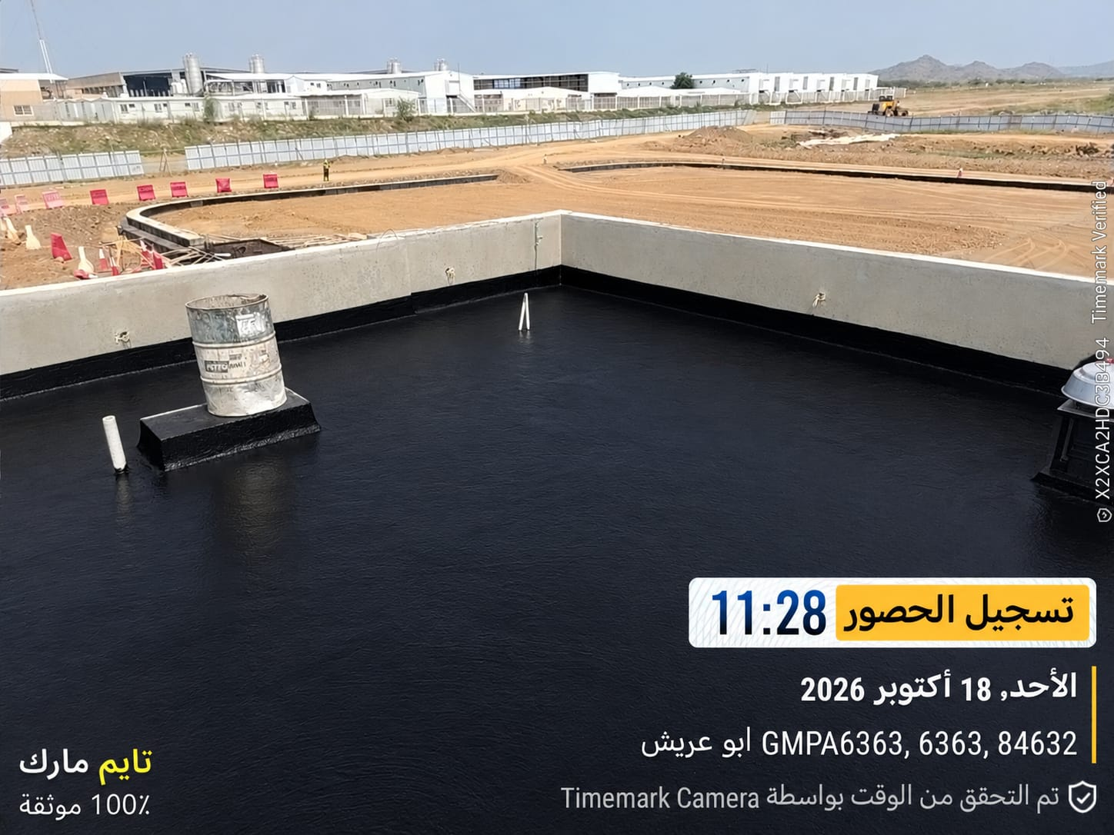 | 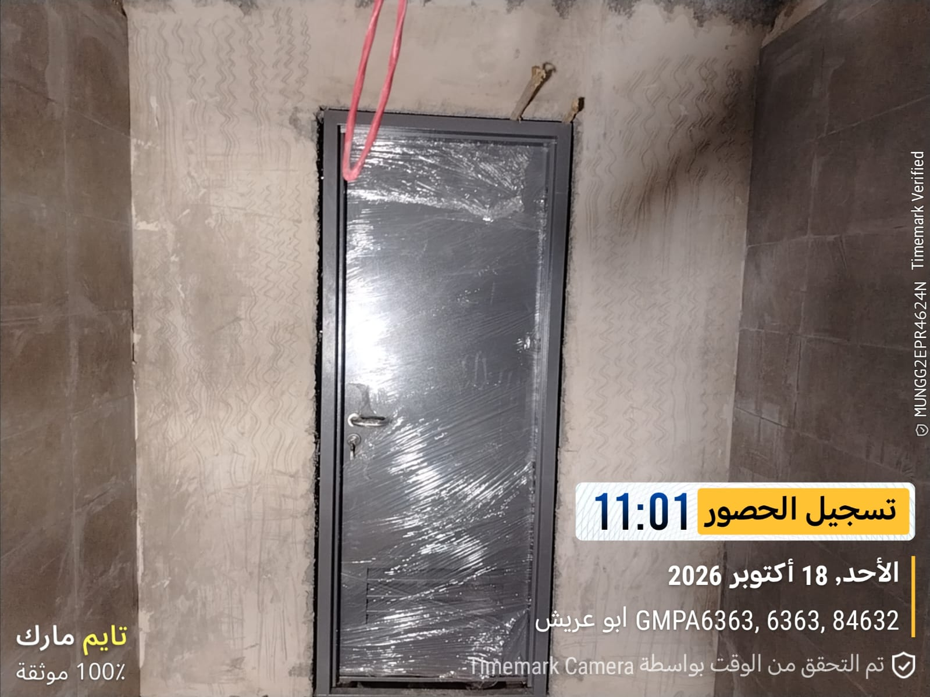

Warning tape for cables works (Jeddah) | backfilling & laying for lighting poles cables & foundation (Jeddah)
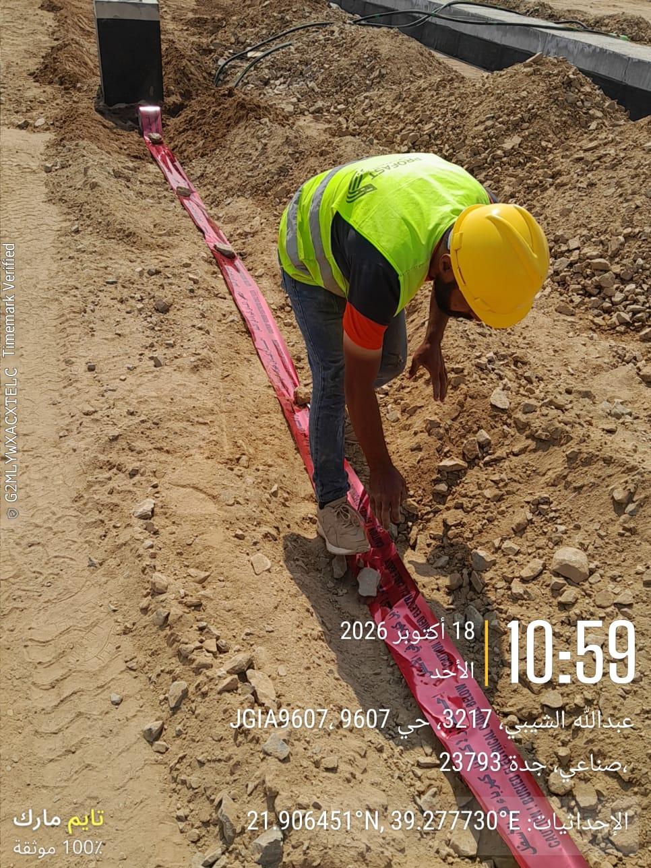 | 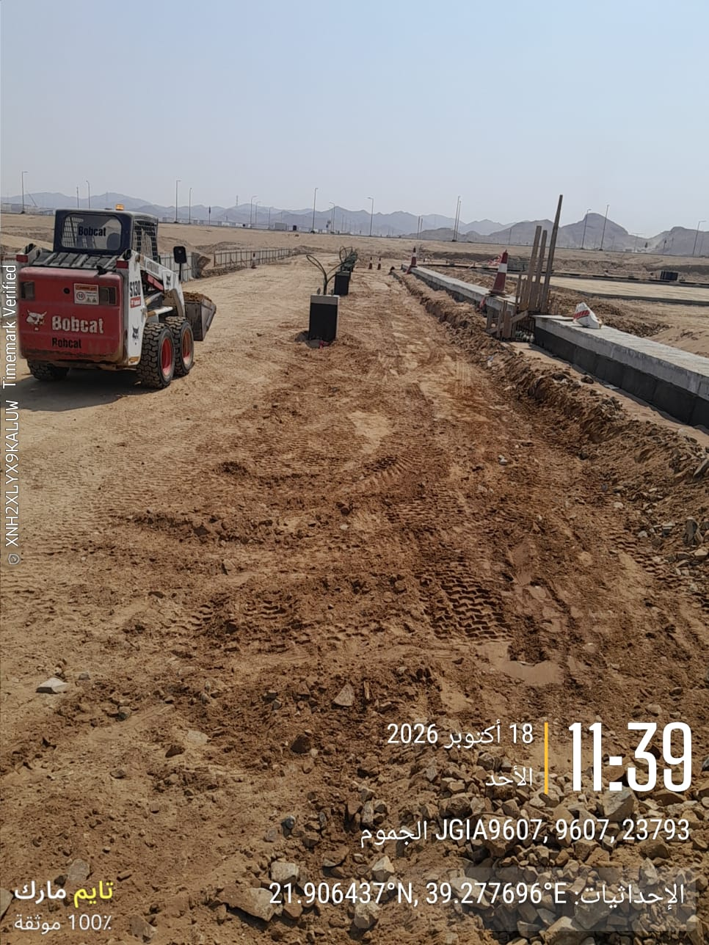

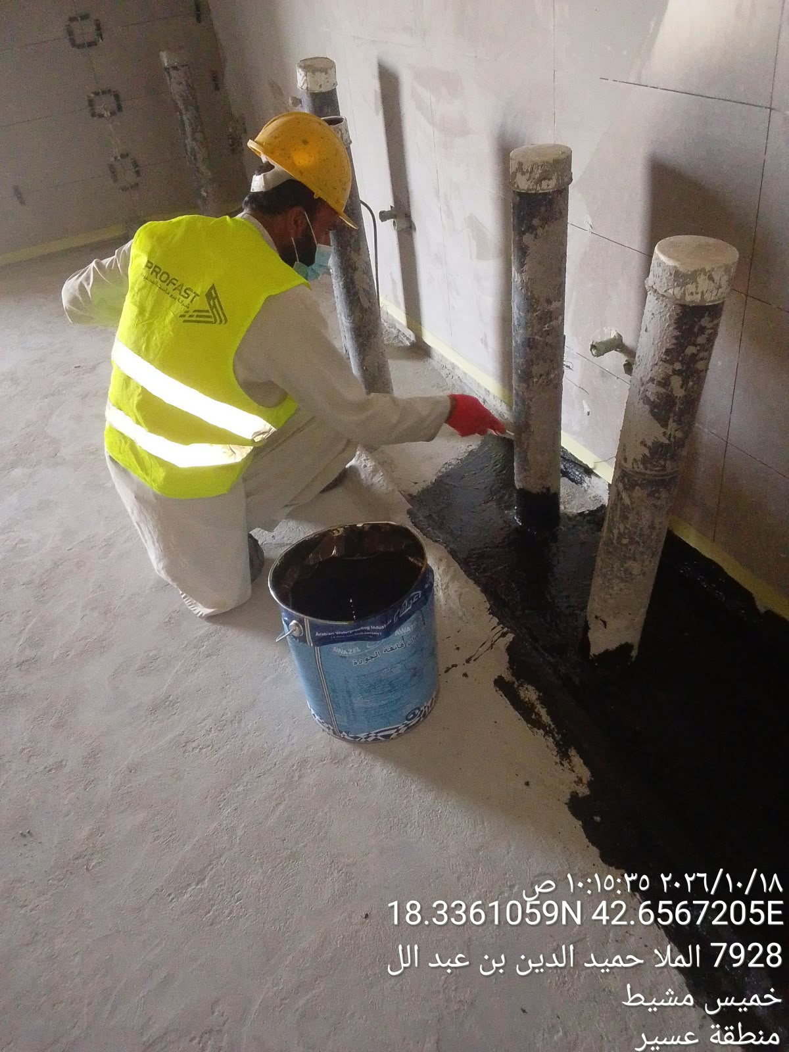
waterproofing works for wet areas ASIR | Steel Fixing for Air Dome Entrance Raft ASIR
 | 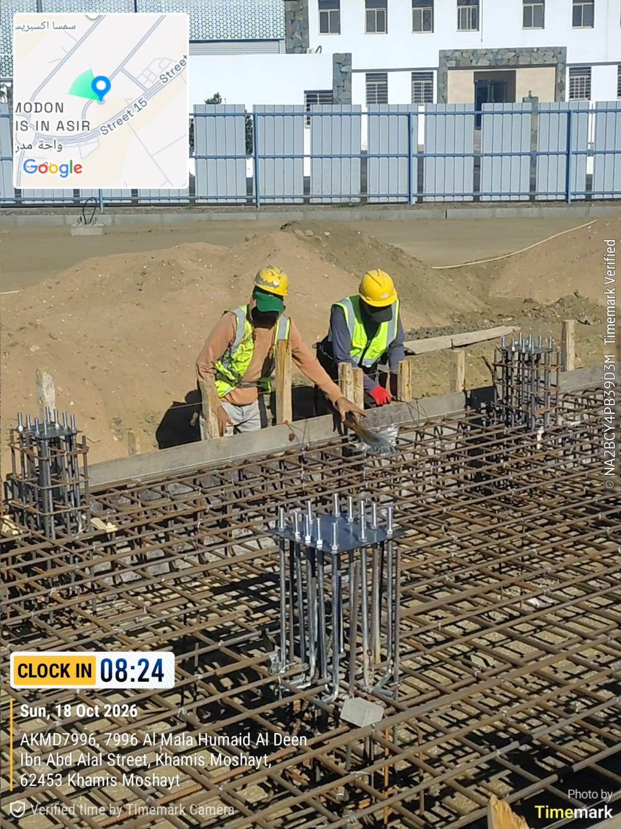

Conclusion
جدة
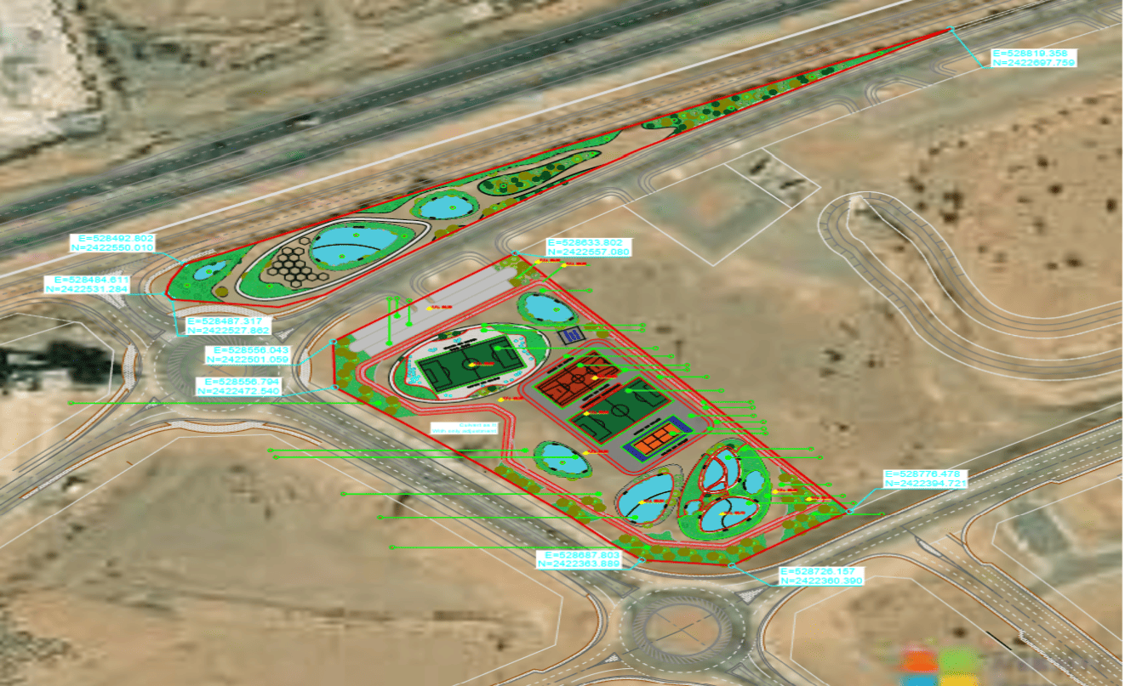
مبادرة الملاعب للمنطقة الغربية (عسير - جازان - جدة) MLTX-02-004
معلومات المشروع |  |  |  |  | نطاق المشروع |  |  |  |  | موقع المشروع ( جدة - عسير - جازان )
المقاول | شركة البروفاست المحدودة | الاستشاري | شركة ايجيس السعودية للاستشارات |  | البند | الكمية الكلية | الكمية المنفذة | الكمية المتبقية | نسبة المنفذ |  |  |  | Playground Initiative for Western Region (Asir - Jazan - Jeddah)
تاريخ استلام الموقع | 26/03/2026 | مدة التنفيذ | 10 شهرًا ميلاديًا |  | الاعمال الترابية | 100.0% | 90.0% | 10.0% | 90.0%
بداية العقد | من تاريخ استلام الموقع | قيمة العقد (شامل ضريبة القيمة المضافة) | 33,997,787 | #REF! | أعمال الخرسانات والبلوك | 100.0% | 90.0% | 10.0% | 90.0%
نسبة الإنجاز المخطط له | 39.13% | نسبة الإنجاز الفعلي | 35.39% |  | أعمال الملاعب | 100.0% | 30.0% | 70.0% | 30.0%
ملخص جدول الكميات |  |  |  |  | أعمال مناظر الطبيعية | 100.0% | 0.0% | 100.0% | 0.0%
مكونات المشروع |  | التكلفة (غير شامل ضريبة القيمة المضافة) | النسبة الاجمالية |  | أعمال توريد الاشجار | 100.0% | 0.0% | 100.0% | 0.0% |  |  | 39097455.05
جازان
الاعمال الترابية |  | 1,906,125 | 4.9% |  | أعمال القبة الهوائية | 100.0% | 12.00% | 88.00% | 12.00%
أعمال المواقف |  | 370,013 | 0.9% |  | اعمال مواسير الصرف الصحي | 100.0% | 50.0% | 50.0% | 50.0% |  | 20865877 | 20423520.408
أعمال المناظر الطبيعية والملاعب |  | 28,692,664 | 73.4% |  | اعمال مواسير التغذية | 100.0% | 50.00% | 50.0% | 50.0% |  | 10508920 | 10286130.896
أعمال الخرسانات والبلوك |  | 551,992 | 1.4% |  | اعمال شبكة مياه الري | 100.0% | 10.0% | 90.0% | 10.0% |  | 23728460 | 23225416.648
الاعمال المعدنية |  | 47,093 | 0.1% |  | وحدات الانارة | 100.0% | 20.0% | 80.0% | 20.0% |  | 7970089 | 7801123.1132
موقع المشروع
أعمال نظام العزل |  | 155,035 | 0.4% |  | ملخص التوريدات |  |  |  |  |  | 8842925 | 8655454.99
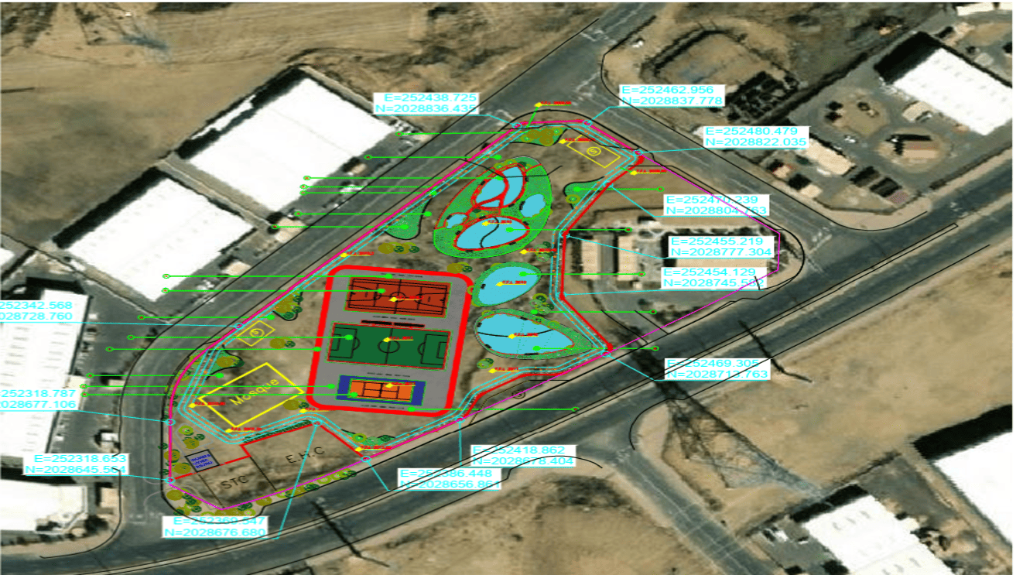
عسير
أعمال الابواب والشبابيك |  | 235,462 | 0.6% |  | البند | الكمية الكلية | الكمية المورده | الكمية المتبقية | نسبة التوريد
الاعمال الخاصة والتشطيبات |  | 742,862 | 1.9% |  | الحوائط الخفيفة للحمامات | 753 | 753 | - | 100%
الاعمال الميكانيكية |  | 2,664,970 | 6.8% |  | حديد التسليح | 25 | 25 | - | 100%
الاعمال الكهربائية |  | 3,731,239 | 9.5% |  | توريد كابلات القبة السماوية | 3 | - | 3 | 0% |  |  |  | 5041
معالم البرنامج الزمني |  |  |  |  | توريد الوحدات الصحية للحمامات | 3 | 1 | 3 | 17% |  |  |  | 12075.28
البند |  | التاريخ حسب الجدول الزمني | ملاحظة |  | توريد الخرسانات | 100 | 90 | 10 | 90% |  |  |  | 8502
نهاية الشروع |  | 2026-01-25 |  |  | توريد الانترلوك | 6,400 |  | 6,400 | 0% |  |  |  | 5775.1
بداية المشروع |  | 2026-03-26 | تم الانتهاء |  | توريد البردورات | 17,550 |  | 17,550 | 0%
الانتهاء من تجهيزات الموقع. |  | 2026-04-25 | تم الانتهاء |  |  |  |  |  |  | تقدم أعمال layout
أعمال الاحلال (جدة , عسير , جازان)
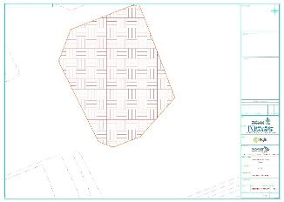
تقديم خطة العمل والبرنامج الزمني |  | 2026-04-23 | تم الانتهاء
تقديم واعتماد المخططات والمواد |  | 2026-07-22 | جاري
الانتهاء من الاعمال الترابية |  | 2026-08-09 | جاري
الانتهاء من أعمال الحمامات |  | 2026-11-30 | جاري |  | التحديات والعوائق
الانتهاء من المناطق الخضراء |  | 2026-12-13 | جاري
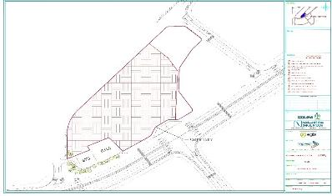
الانتهاء من تنفيذ الملاعب |  | 2026-01-16 | جاري
الانتهاء من كامل الأعمال لموقع عسير |  | 2027-01-19 | لم يبدأ
الانتهاء من كامل الأعمال لموقع جازان |  | 2027-01-25 | لم يبدأ
الانتهاء من كامل الأعمال لموقع جدة |  | 2027-01-25 | لم يبدأ
الانتهاء من الاختبار والتشغيل |  | 2027-01-19 | لم يبدأ

 |  |  |  |  |  |  |  |  |  |  | 1-التصريف السطحي على القناة المفتوحة بالجهة الشرقية بمشروع جدة 2-التصريف السطحي للطريق بالجهة الشرقية بمشروع عسير 3-وجود تربة صخرية أثناء الحفر بموقع عسير 4- تغيير اماكن مواقف انتظار سيارات بموقع جازان 5- اقتراح امكانية رفع منسوب مشروع موقع جدة

Manpower
MANUAL MANPOWER HISTOGRAM
 | Plan - Monthly | Actual - Monthly | Forecast - Monthly
Mar-26 | 4 | 4
Apr-26 | 35 | 30
May-26 | 79 | 74
Jun-26 | 165 | 123
Jul-26 | 159 | 63
Aug-26 | 140 | 72
Sep-26 | 177 | 64
Oct-26 | 175 | 70 | 175
Nov-26 | 159 |  | 159
Dec-26 | 150 |  | 150
Jan-27 | 64 |  | 64
Head-Count ( Non Manual)
MONTHS | Mar-26 | Apr-26 | May-26 | Jun-26 | Jul-26 | Aug-26 | Sep-26 | Oct-26 | Nov-26 | Dec-26 | Jan-27 |  |  |  |  |  |  |  |  |  |  |  |  |  |  | non direct |  |  |  |  |  |  |  |  |  |  |  |  |  |  |  | Jazan |  |  |  |  |  |  |  | Asir |  |  |  |  |  |  |  | Jeddah
Plan - Monthly | 19 | 19 | 19 | 19 | 19 | 19 | 19 | 19 | 19 | 19 | 19 |  |  |  |  |  |  |  |  |  |  |  |  |  |  |  |  |  |  |  |  |  |  |  |  |  |  |  | CONTRACTOR STAFF |  |  |  |  |  | CONTRACTOR LABOUR |  |  | CONTRACTOR STAFF |  |  |  |  |  | CONTRACTOR LABOUR |  |  | CONTRACTOR STAFF |  |  |  |  | CONTRACTOR LABOUR
Planned - Cumulative | 19 | 38 | 57 | 76 | 95 | 114 | 133 | 152 | 171 | 190 | 209 |  |  |  |  |  |  |  |  |  |  |  |  |  |  |  |  |  |  |  |  |  |  |  |  |  |  |  | POSITION |  | Expats |  | Saudi |  | TRADE | Expats | Saudi | POSITION |  |  | Expats | Saudi |  | TRADE | Expats | Saudi | POSITION |  | Expats | Saudi |  | TRADE | Expats | Saudi
Actual - Monthly | 10 | 15 | 22 | 32 | 31 | 30 | 30 | 30 |  |  |  |  |  |  |  |  |  |  |  |  |  |  |  |  |  | daily report |  |  |  |  |  |  |  |  |  |  |  |  | Project Manager |  |  |  |  |  | General Labor / Helper | 2 |  | Project Manager |  |  |  |  |  | General Labor / Helper | 4 |  | Project Manager |  | 2 |  |  | General Labor / Helper | 10
Actual Cumulative | 10 | 25 | 47 | 79 | 110 | 140 | 170 | 200 |  |  |  |  |  |  |  |  |  |  |  |  |  |  |  |  |  |  |  |  |  |  |  |  |  |  |  |  |  |  | Civil Engineer |  | 2 |  |  |  | Carpenter |  |  | Civil Engineer |  |  | 2 |  |  | Carpenter |  |  | Civil Engineer |  | 4 |  |  | Carpenter
Forecast - Monthly |  |  |  |  |  |  | 20 | 20 | 20 | 20 | 20 |  |  |  |  |  |  |  |  |  |  |  |  |  |  |  |  |  |  |  |  |  |  |  |  |  |  |  | Technical office manager |  |  |  |  |  | Steel Fixer |  |  | Technical office manager |  |  |  |  |  | Steel Fixer | 6 |  | Technical office manager |  | 2 |  |  | Steel Fixer | 4
Saudi Monthly - Actual |  |  |  |  |  |  |  |  |  |  |  |  |  |  |  |  |  |  |  |  |  |  |  |  |  |  |  |  |  |  |  |  |  |  |  |  |  |  | Quality Engineer |  |  |  |  |  | Concreting Labor |  |  | Quality Engineer |  |  |  |  |  | Concreting Labor | 4 |  | Quality Engineer |  |  |  |  | Concreting Labor | 4
Head-Count (Manual) |  |  |  |  |  |  |  |  |  |  |  |  |  |  |  |  |  |  |  |  |  |  |  |  |  | direct |  |  |  |  |  |  |  |  |  |  |  |  | HSE Engineer |  |  |  |  |  | Plumber |  |  | HSE Engineer |  |  |  |  |  | Plumber |  |  | HSE Engineer |  |  |  |  | Plumber
MONTHS | Mar-26 | Apr-26 | May-26 | Jun-26 | Jul-26 | Aug-26 | Sep-26 | Oct-26 | Nov-26 | Dec-26 | Jan-27 |  |  |  |  |  |  |  |  |  |  |  |  |  |  |  |  |  |  |  |  |  |  |  |  |  |  |  | Planning Engineer |  |  |  |  |  | Electricial |  |  | Planning Engineer |  |  |  |  |  | Electricial |  |  | Planning Engineer |  | 2 |  |  | Electricial
Plan - Monthly | 4 | 35 | 79 | 165 | 159 | 140 | 177 | 175 | 159 | 150 | 64 |  |  |  |  |  |  |  |  |  |  |  |  |  |  |  |  |  |  |  |  |  |  |  |  |  |  |  | Surveyor Engineer |  | 2 |  |  |  | Equipment Operator |  |  | Surveyor Engineer |  |  |  |  |  | Equipment Operator |  |  | Surveyor Engineer |  | 2 |  |  | Equipment Operator
EQUIPMENT HISTOGRAM
 | Plan - Monthly | Actual - Monthly | Forecast - Monthly
Mar-26 | 0 | 0
Apr-26 | 10 | 10
May-26 | 25 | 25
Jun-26 | 29 | 44
Jul-26 | 25 | 44
Aug-26 | 24 | 36 | 30
Sep-26 | 19 | 30 | 19
Oct-26 | 27 | 21 | 27
Nov-26 | 16 |  | 16
Dec-26 | 20 |  | 20
Jan-27 | 12 |  | 12
Planned - Cumulative | 4 | 39 | 118 | 283 | 442 | 582 | 759 | 934 | 1093 | 1243 | 1307 |  |  |  |  |  |  |  |  |  |  |  |  |  |  |  |  |  |  |  |  |  |  |  |  |  |  |  | Electrical Engineer |  |  |  |  |  | Glass & aluminum technical |  |  | Electrical Engineer |  |  |  |  |  | Glass & aluminum technical |  |  | Electrical Engineer |  |  |  |  | Glass & aluminum technical
Actual - Monthly | 4 | 30 | 74 | 123 | 63 | 72 | 64 | 70 |  |  |  |  |  |  |  |  |  |  |  |  |  |  |  |  |  | daily report | 0 |  |  |  |  |  |  |  |  |  |  |  | Mechanical Engineer |  |  |  |  |  | OTHER |  |  | Mechanical Engineer |  |  |  |  |  | OTHER |  |  | Mechanical Engineer |  |  |  |  | OTHER
Actual Cumulative | 4 | 34 | 108 | 231 | 294 | 366 | 430 | 500 |  |  |  |  |  |  |  |  |  |  |  |  |  |  |  |  |  |  |  |  |  |  |  |  |  |  |  |  |  |  | Agriculture Engineer |  |  |  |  |  | curbstone worker |  |  | Agriculture Engineer |  |  |  |  |  | curbstone worker |  |  | Agriculture Engineer |  |  |  |  | curbstone worker
Forecast - Monthly |  |  |  |  |  |  |  | 175 | 159 | 150 | 64 |  |  |  |  |  |  |  |  |  |  |  |  |  |  |  |  |  |  |  |  |  |  |  |  |  |  |  | Quantity Surveyor Engineer |  |  |  |  |  | Water proofing labor |  |  | Quantity Surveyor Engineer |  |  |  |  |  | Water proofing labor |  |  | Quantity Surveyor Engineer |  |  |  |  | Water proofing labor
Saudi - Actual |  |  |  |  |  |  |  |  |  |  |  |  |  |  |  |  |  |  |  |  |  |  |  |  |  |  |  |  |  |  |  |  |  |  |  |  |  |  | HSE Officer |  | 2 |  |  |  | PLASTER WORKER |  |  | HSE Officer |  |  | 2 |  |  | PLASTER WORKER |  |  | HSE Officer |  | 2 |  |  | PLASTER WORKER
 |  |  |  |  |  |  |  |  |  |  |  |  |  |  |  |  |  |  |  |  |  |  |  |  |  |  |  |  |  |  |  |  |  |  |  |  |  |  | Surveyor |  |  |  |  |  | SHUTERR DOOR WORKER |  |  | Surveyor |  |  | 2 |  |  | SHUTERR DOOR WORKER |  |  | Surveyor |  | 2 |  |  | SHUTERR DOOR WORKER
Head-Count (Non-Manual) |  |  |  |  |  |  |  |  |  |  | 96 |  |  |  |  |  |  |  |  |  |  |  |  | Month | Oct-26 | Nov-26 |  |  |  |  |  |  |  |  |  |  |  |  | Document Controller |  |  |  |  |  | steel stu worker |  |  | Document Controller |  |  |  |  |  | steel stu worker |  |  | Document Controller |  | 2 |  |  | steel stu worker
Planned | Actual |  | Variance |  | Forecast Next Month |  | Saudi Staff |  |  |  |  |  |  |  |  |  |  |  |  |  |  |  |  |  |  |  |  |  |  |  |  |  |  |  |  |  |  |  | Supervisor |  | 2 |  |  |  | epoxy worker |  |  | Supervisor |  |  | 4 |  |  | epoxy worker |  |  | Supervisor |  | 2 |  |  | epoxy worker
19 | 30 |  | 11 |  | 25 |  | 0 |  |  |  |  |  |  |  |  |  |  |  |  |  |  |  |  |  |  |  |  |  |  |  |  |  |  |  |  |  |  |  |  |  |  |  |  |  | ASPHALT WORKER |  |  |  |  |  |  |  |  | ASPHALT WORKER |  |  | Labor |  | 2 |  |  | ASPHALT WORKER
 |  |  |  |  |  |  |  |  |  |  |  |  |  |  |  |  |  |  |  |  |  |  |  |  |  |  |  |  |  |  |  |  |  |  |  |  |  |  |  |  |  |  |  |  | paint workers |  |  |  |  |  |  |  |  | paint workers |  |  |  |  |  |  |  | paint workers
Head-Count (Manual) |  |  |  |  |  |  |  |  |  |  | Man Power by Trade |  |  |  |  |  |  |  |  |  |  |  |  |  |  |  |  |  |  |  |  |  |  |  |  |  |  |  |  |  |  |  |  |  | TANKS workers |  |  |  |  |  |  |  |  | TANKS workers |  |  |  |  |  |  |  | TANKS workers
Planned | Actual |  | Variance |  | Forecast Next Month |  | Saudi Staff |  |  |  | Key Trade |  | Labor |  | Skilled Labor | Driver / Operator | Carpenter | Steel Fixer | Mason | Plumber | Electrician | Others | Total |  |  |  |  | 1-Mar-26 | 1-Apr-26 | 1-May-26 | 1-Jun-26 | 1-Jul-26 | 1-Aug-26 | 1-Sep-26 | 1-Oct-26 | 1-Nov-26 | 1-Dec-26 | 1-Jan-27 |  |  |  |  |  |  | fire worker |  |  |  |  |  |  |  |  | fire worker |  |  |  |  |  |  |  | fire worker
175 | 70 |  | (105) |  | 140 |  | 0 |  |  |  | Plan |  | 65 |  | 25 | 27 | 0 | 26 | 0 | 0 | 0 | 32 | 175 |  |  |  |  |  |  |  |  |  |  |  |  |  |  |  |  |  |  |  |  |  | Celing worker |  |  |  |  |  |  |  |  | Celing worker |  |  |  |  |  |  |  | Celing worker
 |  |  |  |  |  |  |  |  |  |  | Actual |  | 15 |  | 10 | 12 | 6 | 6 | 0 | 3 | 3 | 15 | 70 |  |  |  |  |  |  |  |  |  |  |  |  |  |  |  |  |  |  |  |  |  | Air conditioning technician |  |  |  |  |  |  |  |  | Air conditioning technician |  |  |  |  |  |  |  | Air conditioning technician
 |  |  |  |  |  |  |  |  |  |  |  |  |  |  |  |  |  |  |  |  |  |  |  |  |  |  |  |  |  |  |  |  |  |  |  |  |  |  |  |  |  |  |  |  | TOTAL | 2 |  |  |  |  |  |  |  | TOTAL | 14 |  |  |  |  |  |  | TOTAL | 18

 |  |  |  |  |  |  |  |  |  |  |  |  |  |  |  |  |  |  |  |  |  |  |  |  |  |  |  |  |  |  |  |  |  |  |  |  |  |  |  |  |  |  |  |  | SUB-CONTRACTORS LABOURS |  |  |  |  |  |  |  |  | SUB-CONTRACTORS LABOURS |  |  |  |  |  |  |  | SUB-CONTRACTORS LABOURS
 |  |  |  |  |  |  |  |  |  |  |  |  |  |  |  |  |  |  |  |  |  |  |  |  |  |  |  |  |  |  |  |  |  |  |  |  |  |  |  |  |  |  |  |  | DESCRIPTION | Expats | Saudi |  |  |  |  |  |  | DESCRIPTION | Expats | Saudi |  |  |  |  |  | DESCRIPTION | Expats | Saudi
 |  |  |  |  |  |  |  |  |  |  |  |  |  |  |  |  |  |  |  |  |  |  |  |  |  |  |  |  |  |  |  |  |  |  |  |  |  |  |  |  |  |  |  |  | Carpenter |  |  |  |  |  |  |  |  | Carpenter |  |  |  |  |  |  |  | Carpenter
 |  |  |  |  |  |  |  |  |  |  |  |  |  |  |  |  |  |  |  |  |  |  |  |  |  |  |  |  |  |  |  |  |  |  |  |  |  |  |  |  |  |  |  |  | Steel Fixers |  |  |  |  |  |  |  |  | Steel Fixers |  |  |  |  |  |  |  | Steel Fixers
Equipment |  |  |  |  |  |  |  |  |  |  |  |  |  |  |  |  |  |  |  |  |  |  |  |  |  |  |  |  |  |  |  |  |  |  |  |  |  |  |  |  |  |  |  |  | Labors |  |  |  |  |  |  |  |  | Labors |  |  |  |  |  |  |  | Labors
MONTHS | Mar-26 | Apr-26 | May-26 | Jun-26 | Jul-26 | Aug-26 | Sep-26 | Oct-26 | Nov-26 | Dec-26 | Jan-27 |  |  |  |  |  |  |  |  |  |  |  |  |  |  |  |  |  |  |  |  |  |  |  |  |  |  |  |  |  |  |  |  |  | Drivers |  |  |  |  |  |  |  |  | Drivers |  |  |  |  |  |  |  | Drivers
Plan - Monthly | 0 | 10 | 25 | 29 | 25 | 24 | 19 | 27 | 16 | 20 | 12 |  |  |  |  |  |  |  |  |  |  |  |  |  |  |  |  |  |  |  |  |  |  |  |  |  |  |  |  |  |  |  |  |  | TOTAL | 0 |  |  |  |  |  |  |  | TOTAL | 0 |  |  |  |  |  |  | TOTAL | 0
Planned - Cumulative | 0 | 10 | 35 | 64 | 89 | 113 | 132 | 159 | 175 | 195 | 207 |  |  |  |  |  |  |  |  |  |  |  |  |  |  |  |  |  |  |  |  |  |  |  |  |  |  |  | TOTAL CONTRACTOR STAFF |  | 8 |  |  |  | TOTAL PLANNED DIRECT MANPOWER |  |  | TOTAL CONTRACTOR STAFF |  |  | 10 |  |  | TOTAL PLANNED DIRECT MANPOWER |  |  | TOTAL CONTRACTOR STAFF |  | 22 |  |  | TOTAL PLANNED DIRECT MANPOWER
Actual - Monthly | 0 | 10 | 25 | 44 | 44 | 36 | 30 | 21 |  |  |  |  |  |  |  |  |  |  |  |  |  |  |  |  |  |  |  |  |  |  |  |  |  |  |  |  |  |  |  |  |  |  |  |  | TOTAL ACTUAL DIRECT MANPOWER |  | 2 |  |  |  |  |  |  | TOTAL ACTUAL DIRECT MANPOWER |  | 14 |  |  |  |  |  | TOTAL ACTUAL DIRECT MANPOWER |  | 18
Actual Cumulative | 0 | 10 | 35 | 79 | 123 | 159 | 189 | 210 |  |  |  |  |  |  |  |  |  |  |  |  |  |  |  |  |  |  |  |  |  |  |  |  |  |  |  |  |  |  | CONSULTANT STAFF |  |  |  |  |  |  |  |  | CONSULTANT STAFF |  |  |  |  |  |  |  |  | CONSULTANT STAFF
Forecast - Monthly |  |  |  |  |  | 30 | 19 | 27 | 16 | 20 | 12 |  |  |  |  |  |  |  |  |  |  |  |  |  |  |  |  |  |  |  |  |  |  |  |  |  |  |  | POSITION |  | Expats |  | Saudi |  | EQUIPMENT AVAILABLE AT SITE TODAY |  |  | POSITION |  |  | Expats | Saudi |  | EQUIPMENT AVAILABLE AT SITE TODAY |  |  | POSITION |  | Expats | Saudi |  | EQUIPMENT AVAILABLE AT SITE TODAY
 |  |  |  |  |  |  |  |  |  |  |  |  |  |  |  |  |  |  |  |  |  |  |  |  |  |  |  |  |  |  |  |  |  |  |  |  |  |  | Project Engineer |  | 0 |  |  |  | TYPE | Working | Idle | Project Engineer |  |  | 0 |  |  | TYPE | Working | Idle | Project Engineer |  | 2 |  |  | TYPE | Working | Idle
 |  |  |  |  |  |  |  |  |  |  |  |  |  |  |  |  |  |  |  |  |  |  |  |  |  |  |  |  |  |  |  |  |  |  |  |  |  |  | Control / Schedule Engineer |  | 0 |  |  |  | Buldozer | 0 |  | Control / Schedule Engineer |  |  | 0 |  |  | Buldozer | 0 |  | Control / Schedule Engineer |  | 2 |  |  | Buldozer | 0
Equipment Count |  |  |  |  |  |  |  |  |  |  |  |  |  |  |  |  |  |  |  |  |  |  |  |  |  |  |  |  |  |  |  |  |  |  |  |  |  |  | Quality Engineer |  | 0 |  |  |  | Grader Machine | 0 |  | Quality Engineer |  |  | 0 |  |  | Grader Machine | 0 |  | Quality Engineer |  | 2 |  |  | Grader Machine | 2
Planned | Actual |  | Idle |  | Variance |  | Forecast Next Month |  |  |  |  |  |  |  |  |  |  |  |  |  |  |  |  |  |  |  |  |  |  |  |  |  |  |  |  |  |  |  | HSE Engineer |  | 0 |  |  |  | Roller Compactor | 0 |  | HSE Engineer |  |  | 0 |  |  | Roller Compactor | 0 |  | HSE Engineer |  | 2 |  |  | Roller Compactor | 0
27 | 21 |  | 0 |  | (6) |  | 20 |  |  |  |  |  |  |  |  |  |  |  |  |  |  |  |  |  |  |  |  |  |  |  |  |  |  |  |  |  |  |  | Mechanical Engineer |  | 0 |  |  |  | Shevol Loader | 2 |  | Mechanical Engineer |  |  | 0 |  |  | Shevol Loader | 2 |  | Mechanical Engineer |  | 2 |  |  | Shevol Loader | 4
 |  |  |  |  |  |  |  |  |  |  |  |  |  |  |  |  |  |  |  |  |  |  |  |  |  |  |  |  |  |  |  |  |  |  |  |  |  |  | Electrical Engineer |  | 0 |  |  |  | Water Tank | 0 |  | Electrical Engineer |  |  | 0 |  |  | Water Tank | 0 |  | Electrical Engineer |  | 2 |  |  | Water Tank | 0
 |  |  |  |  |  |  |  |  |  |  |  |  |  |  |  |  |  |  |  |  |  |  |  |  |  |  |  |  |  |  |  |  |  |  |  |  |  |  | Planning Engineer |  | 0 |  |  |  | Dump Truck | 0 |  | Planning Engineer |  |  | 0 |  |  | Dump Truck | 10 |  | Planning Engineer |  | 2 |  |  | Dump Truck | 8
 |  |  |  |  |  |  |  |  |  |  |  |  |  |  |  |  |  |  |  |  |  |  |  |  |  |  |  |  |  |  |  |  |  |  |  |  |  |  | Civil Engineer - Structure/Buildings |  | 0 |  |  |  | Poclain Excavator | 6 |  | Civil Engineer - Structure/Buildings |  |  | 0 |  |  | Poclain Excavator | 2 |  | Civil Engineer - Structure/Buildings |  | 2 |  |  | Poclain Excavator | 2
 |  |  |  |  |  |  |  |  |  |  |  |  |  |  |  |  |  |  |  |  |  |  |  |  |  |  |  |  |  |  |  |  |  |  |  |  |  |  | Civil Engineer - Wet Utilities |  | 0 |  |  |  | Bobcat | 0 |  | Civil Engineer - Wet Utilities |  |  | 0 |  |  | Bobcat | 0 |  | Civil Engineer - Wet Utilities |  | 2 |  |  | Bobcat | 0
 |  |  |  |  |  |  |  |  |  |  |  |  |  |  |  |  |  |  |  |  |  |  |  |  |  |  |  |  |  |  |  |  |  |  |  |  |  |  | Architect |  | 0 |  |  |  | Truck | 12 |  | Architect |  |  | 0 |  |  |  |  |  | Architect |  | 2
Type | Excavator | Loader | Bulldozer | Water Tanker | Grader | Truck | Road Roller | Asphalt Paver | Crane | Bobcat | Bobcat | Compactor | Other | Total |  |  |  |  |  |  |  |  |  |  |  |  |  |  |  |  |  |  |  |  |  |  |  |  | Surveyor |  | 2 |  |  |  | Crane | 0 |  | Surveyor |  |  | 0 |  |  |  |  |  | Surveyor |  | 2
Plan | 3 | 5 | 2 | 5 | 3 | 5 | 1 | 0 | 0 | 0 | 0 | 3 | 0 | 27 |  |  |  |  |  |  |  |  |  |  |  |  |  |  |  |  |  |  |  |  |  |  |  |  | Quality Engineer |  | 0 |  |  |  |  |  |  | Quality Engineer |  |  | 0 |  |  |  |  |  | Quality Engineer |  | 2
Actual | 3 | 3 | 0 | 4 | 0 | 3 | 0 | 0 | 0 | 0 | 2 | 6 | 0 | 21 |  |  |  |  |  |  |  |  |  |  |  |  |  |  |  |  |  |  |  |  |  |  |  |  | Document Controller |  | 0 |  |  |  |  |  |  | Document Controller |  |  | 2 |  |  |  |  |  | Document Controller |  | 2
Idle | 0 | 0 | 0 | 0 | 0 | 0 | 0 | 0 | 0 | 0 | 0 | 0 | 0 | 0 |  |  |  |  |  |  |  |  |  |  |  |  |  |  |  |  |  |  |  |  |  |  |  |  | Office Boy |  | 0 |  |  |  |  |  |  | Office Boy |  |  | 0 |  |  |  |  |  | Office Boy |  | 2
 |  |  |  |  |  |  |  |  |  |  |  |  |  |  |  |  |  |  |  |  |  |  |  |  |  |  |  |  |  |  |  |  |  |  |  |  |  |  | TOTAL CONSULTANT STAFF |  | 2 |  |  |  |  |  |  | TOTAL CONSULTANT STAFF |  |  | 2 |  |  |  |  |  | TOTAL CONSULTANT STAFF |  | 28
 |  |  |  |  |  |  |  |  |  |  |  |  |  |  |  |  |  |  |  |  |  |  |  |  |  |  |  |  |  |  |  |  |  |  |  |  |  |  | TOTAL STAFF AT SITE |  | 10 |  |  |  |  |  |  | ` |  |  | 12 |  |  |  |  |  | TOTAL STAFF AT SITE |  | 50
 |  |  |  |  |  |  |  |  |  |  |  |  |  |  |  |  |  |  |  |  |  |  |  |  |  |  |  |  |  |  |  |  |  |  |  |  |  |  | TOTAL IMMUNE STAFF |  |  |  |  |  |  |  |  | TOTAL IMMUNE STAFF |  |  |  |  |  |  |  |  | TOTAL IMMUNE STAFF

 |  |  |  |  |  |  |  |  |  |  |  |  |  |  |  |  |  |  |  |  |  |  |  |  |  |  |  |  |  |  |  |  |  |  |  |  |  |  | MATERIAL RECEIVED AT SITE TODAY (MIR) |  |  |  |  |  |  |  |  | MATERIAL RECEIVED AT SITE TODAY (MIR) |  |  |  |  |  |  |  |  | MATERIAL RECEIVED AT SITE TODAY (MIR)
 |  |  |  |  |  |  |  |  |  |  |  |  |  |  |  |  |  |  |  |  |  |  |  |  |  |  |  |  |  |  |  |  |  |  |  |  |  |  | BOQ No. | DESCRIPTION |  |  | QTY | UNIT |  |  |  | BOQ No. | DESCRIPTION |  |  | QTY | UNIT |  |  |  | BOQ No. | DESCRIPTION |  | QTY | UNIT
 |  |  |  |  |  |  |  |  |  |  |  |  |  |  |  |  |  |  |  |  |  |  |  |  |  |  |  |  |  |  |  |  |  |  |  |  |  |  |  | - |  |  |  |  | TOTAL PLANNED |  |  |  | - |  |  |  |  | TOTAL PLANNED |  |  |  | - |  |  |  | TOTAL PLANNED
 |  |  |  |  |  |  |  |  |  |  |  |  |  |  |  |  |  |  |  |  |  |  |  |  |  |  |  |  |  |  |  |  |  |  |  |  |  |  |  | - |  |  |  |  | TOTAL ACTUAL | 20 | 0 |  | - |  |  |  |  | TOTAL ACTUAL | 14 | 0 |  | - |  |  |  | TOTAL ACTUAL | 16 | 0

 |  |  |  |  |  |  |  |  |  |  |  |  |  |  |  |  |  |  |  |  |  |  |  |  |  |  |  |  |  |  |  |  |  |  |  |  |  |  | ALL Sites

 |  |  |  |  |  |  |  |  |  |  |  |  |  |  |  |  |  |  |  |  |  |  |  |  |  |  |  |  |  |  |  |  |  |  |  |  |  |  | CONTRACTOR STAFF |  |  |  |  |  | CONTRACTOR LABOUR
 |  |  |  |  |  |  |  |  |  |  |  |  |  |  |  |  |  |  |  |  |  |  |  |  |  |  |  |  |  |  |  |  |  |  |  |  |  |  | POSITION |  | Expats |  | Saudi |  | TRADE | Expats | Saudi
 |  |  |  |  |  |  |  |  |  |  |  |  |  |  |  |  |  |  |  |  |  |  |  |  |  |  |  |  |  |  |  |  |  |  |  |  |  |  | Project Manager |  |  |  |  |  | General Labor / Helper | 8
 |  |  |  |  |  |  |  |  |  |  |  |  |  |  |  |  |  |  |  |  |  |  |  |  |  |  |  |  |  |  |  |  |  |  |  |  |  |  | Civil Engineer |  | 4 |  |  |  | Carpenter | 0
 |  |  |  |  |  |  |  |  |  |  |  |  |  |  |  |  |  |  |  |  |  |  |  |  |  |  |  |  |  |  |  |  |  |  |  |  |  |  | Technical office manager |  | 1 |  |  |  | Steel Fixer | 5
 |  |  |  |  |  |  |  |  |  |  |  |  |  |  |  |  |  |  |  |  |  |  |  |  |  |  |  |  |  |  |  |  |  |  |  |  |  |  | Quality Engineer |  | 0 |  |  |  | Concreting Labor | 4
 |  |  |  |  |  |  |  |  |  |  |  |  |  |  |  |  |  |  |  |  |  |  |  |  |  |  |  |  |  |  |  |  |  |  |  |  |  |  | HSE Engineer |  | 0 |  |  |  | Plumber | 0
 |  |  |  |  |  |  |  |  |  |  |  |  |  |  |  |  |  |  |  |  |  |  |  |  |  |  |  |  |  |  |  |  |  |  |  |  |  |  | Planning Engineer |  | 1 |  |  |  | Electricial | 0
 |  |  |  |  |  |  |  |  |  |  |  |  |  |  |  |  |  |  |  |  |  |  |  |  |  |  |  |  |  |  |  |  |  |  |  |  |  |  | Surveyor Engineer |  | 2 |  |  |  | Equipment Operator | 0
 |  |  |  |  |  |  |  |  |  |  |  |  |  |  |  |  |  |  |  |  |  |  |  |  |  |  |  |  |  |  |  |  |  |  |  |  |  |  | Electrical Engineer |  | 0 |  |  |  | Glass & aluminum technical | 0
 |  |  |  |  |  |  |  |  |  |  |  |  |  |  |  |  |  |  |  |  |  |  |  |  |  |  |  |  |  |  |  |  |  |  |  |  |  |  | Mechanical Engineer |  | 0 |  |  |  | OTHER | 0
 |  |  |  |  |  |  |  |  |  |  |  |  |  |  |  |  |  |  |  |  |  |  |  |  |  |  |  |  |  |  |  |  |  |  |  |  |  |  | Agriculture Engineer |  | 0 |  |  |  | curbstone worker | 0
 |  |  |  |  |  |  |  |  |  |  |  |  |  |  |  |  |  |  |  |  |  |  |  |  |  |  |  |  |  |  |  |  |  |  |  |  |  |  | Quantity Surveyor Engineer |  | 0 |  |  |  | Water proofing labor | 0
 |  |  |  |  |  |  |  |  |  |  |  |  |  |  |  |  |  |  |  |  |  |  |  |  |  |  |  |  |  |  |  |  |  |  |  |  |  |  | HSE Officer |  | 3 |  |  |  | PLASTER WORKER | 0
 |  |  |  |  |  |  |  |  |  |  |  |  |  |  |  |  |  |  |  |  |  |  |  |  |  |  |  |  |  |  |  |  |  |  |  |  |  |  | Surveyor |  | 2 |  |  |  | SHUTERR DOOR WORKER | 0
 |  |  |  |  |  |  |  |  |  |  |  |  |  |  |  |  |  |  |  |  |  |  |  |  |  |  |  |  |  |  |  |  |  |  |  |  |  |  | Document Controller |  | 1 |  |  |  | steel stu worker | 0
 |  |  |  |  |  |  |  |  |  |  |  |  |  |  |  |  |  |  |  |  |  |  |  |  |  |  |  |  |  |  |  |  |  |  |  |  |  |  | Supervisor |  | 4 |  |  |  | epoxy worker | 0
 |  |  |  |  |  |  |  |  |  |  |  |  |  |  |  |  |  |  |  |  |  |  |  |  |  |  |  |  |  |  |  |  |  |  |  |  |  |  |  |  |  |  |  |  | ASPHALT WORKER | 0
 |  |  |  |  |  |  |  |  |  |  |  |  |  |  |  |  |  |  |  |  |  |  |  |  |  |  |  |  |  |  |  |  |  |  |  |  |  |  |  |  |  |  |  |  | paint workers | 0
 |  |  |  |  |  |  |  |  |  |  |  |  |  |  |  |  |  |  |  |  |  |  |  |  |  |  |  |  |  |  |  |  |  |  |  |  |  |  |  |  |  |  |  |  | TANKS workers | 0
 |  |  |  |  |  |  |  |  |  |  |  |  |  |  |  |  |  |  |  |  |  |  |  |  |  |  |  |  |  |  |  |  |  |  |  |  |  |  |  |  |  |  |  |  | fire worker | 0
 |  |  |  |  |  |  |  |  |  |  |  |  |  |  |  |  |  |  |  |  |  |  |  |  |  |  |  |  |  |  |  |  |  |  |  |  |  |  |  |  |  |  |  |  | Celing worker | 0
 |  |  |  |  |  |  |  |  |  |  |  |  |  |  |  |  |  |  |  |  |  |  |  |  |  |  |  |  |  |  |  |  |  |  |  |  |  |  |  |  |  |  |  |  | Air conditioning technician | 0
 |  |  |  |  |  |  |  |  |  |  |  |  |  |  |  |  |  |  |  |  |  |  |  |  |  |  |  |  |  |  |  |  |  |  |  |  |  |  |  |  |  |  |  |  | TOTAL | 17

 |  |  |  |  |  |  |  |  |  |  |  |  |  |  |  |  |  |  |  |  |  |  |  |  |  |  |  |  |  |  |  |  |  |  |  |  |  |  |  |  |  |  |  |  | SUB-CONTRACTORS LABOURS
 |  |  |  |  |  |  |  |  |  |  |  |  |  |  |  |  |  |  |  |  |  |  |  |  |  |  |  |  |  |  |  |  |  |  |  |  |  |  |  |  |  |  |  |  | DESCRIPTION | Expats | Saudi
 |  |  |  |  |  |  |  |  |  |  |  |  |  |  |  |  |  |  |  |  |  |  |  |  |  |  |  |  |  |  |  |  |  |  |  |  |  |  |  |  |  |  |  |  | Carpenter
 |  |  |  |  |  |  |  |  |  |  |  |  |  |  |  |  |  |  |  |  |  |  |  |  |  |  |  |  |  |  |  |  |  |  |  |  |  |  |  |  |  |  |  |  | Steel Fixers
 |  |  |  |  |  |  |  |  |  |  |  |  |  |  |  |  |  |  |  |  |  |  |  |  |  |  |  |  |  |  |  |  |  |  |  |  |  |  |  |  |  |  |  |  | Labors
 |  |  |  |  |  |  |  |  |  |  |  |  |  |  |  |  |  |  |  |  |  |  |  |  |  |  |  |  |  |  |  |  |  |  |  |  |  |  |  |  |  |  |  |  | Drivers
 |  |  |  |  |  |  |  |  |  |  |  |  |  |  |  |  |  |  |  |  |  |  |  |  |  |  |  |  |  |  |  |  |  |  |  |  |  |  |  |  |  |  |  |  | TOTAL | 0
 |  |  |  |  |  |  |  |  |  |  |  |  |  |  |  |  |  |  |  |  |  |  |  |  |  |  |  |  |  |  |  |  |  |  |  |  |  |  | TOTAL CONTRACTOR STAFF |  | 18 |  |  |  | TOTAL PLANNED DIRECT MANPOWER
 |  |  |  |  |  |  |  |  |  |  |  |  |  |  |  |  |  |  |  |  |  |  |  |  |  |  |  |  |  |  |  |  |  |  |  |  |  |  |  |  |  |  |  |  | TOTAL ACTUAL DIRECT MANPOWER |  | 17
 |  |  |  |  |  |  |  |  |  |  |  |  |  |  |  |  |  |  |  |  |  |  |  |  |  |  |  |  |  |  |  |  |  |  |  |  |  |  | CONSULTANT STAFF
 |  |  |  |  |  |  |  |  |  |  |  |  |  |  |  |  |  |  |  |  |  |  |  |  |  |  |  |  |  |  |  |  |  |  |  |  |  |  | POSITION |  | Expats |  | Saudi |  | EQUIPMENT AVAILABLE AT SITE TODAY
 |  |  |  |  |  |  |  |  |  |  |  |  |  |  |  |  |  |  |  |  |  |  |  |  |  |  |  |  |  |  |  |  |  |  |  |  |  |  | Project Engineer |  | 1 |  |  |  | TYPE | Working | Idle
 |  |  |  |  |  |  |  |  |  |  |  |  |  |  |  |  |  |  |  |  |  |  |  |  |  |  |  |  |  |  |  |  |  |  |  |  |  |  | Control / Schedule Engineer |  | 1 |  |  |  | Buldozer | 0
 |  |  |  |  |  |  |  |  |  |  |  |  |  |  |  |  |  |  |  |  |  |  |  |  |  |  |  |  |  |  |  |  |  |  |  |  |  |  | Quality Engineer |  | 1 |  |  |  | Grader Machine | 1
 |  |  |  |  |  |  |  |  |  |  |  |  |  |  |  |  |  |  |  |  |  |  |  |  |  |  |  |  |  |  |  |  |  |  |  |  |  |  | HSE Engineer |  | 1 |  |  |  | Roller Compactor | 0
 |  |  |  |  |  |  |  |  |  |  |  |  |  |  |  |  |  |  |  |  |  |  |  |  |  |  |  |  |  |  |  |  |  |  |  |  |  |  | Mechanical Engineer |  | 1 |  |  |  | Shevol Loader | 4
 |  |  |  |  |  |  |  |  |  |  |  |  |  |  |  |  |  |  |  |  |  |  |  |  |  |  |  |  |  |  |  |  |  |  |  |  |  |  | Electrical Engineer |  | 1 |  |  |  | Water Tank | 0
 |  |  |  |  |  |  |  |  |  |  |  |  |  |  |  |  |  |  |  |  |  |  |  |  |  |  |  |  |  |  |  |  |  |  |  |  |  |  | Planning Engineer |  | 1 |  |  |  | Dump Truck | 9
 |  |  |  |  |  |  |  |  |  |  |  |  |  |  |  |  |  |  |  |  |  |  |  |  |  |  |  |  |  |  |  |  |  |  |  |  |  |  | Civil Engineer - Structure/Buildings |  | 1 |  |  |  | Poclain Excavator | 5
 |  |  |  |  |  |  |  |  |  |  |  |  |  |  |  |  |  |  |  |  |  |  |  |  |  |  |  |  |  |  |  |  |  |  |  |  |  |  | Civil Engineer - Wet Utilities |  | 1 |  |  |  | Bobcat | 0
 |  |  |  |  |  |  |  |  |  |  |  |  |  |  |  |  |  |  |  |  |  |  |  |  |  |  |  |  |  |  |  |  |  |  |  |  |  |  | Architect |  | 1 |  |  |  | Truck | 6
 |  |  |  |  |  |  |  |  |  |  |  |  |  |  |  |  |  |  |  |  |  |  |  |  |  |  |  |  |  |  |  |  |  |  |  |  |  |  | Surveyor |  | 2 |  |  |  | Crane | 0
 |  |  |  |  |  |  |  |  |  |  |  |  |  |  |  |  |  |  |  |  |  |  |  |  |  |  |  |  |  |  |  |  |  |  |  |  |  |  | Quality Engineer |  | 1
 |  |  |  |  |  |  |  |  |  |  |  |  |  |  |  |  |  |  |  |  |  |  |  |  |  |  |  |  |  |  |  |  |  |  |  |  |  |  | Document Controller |  | 2
 |  |  |  |  |  |  |  |  |  |  |  |  |  |  |  |  |  |  |  |  |  |  |  |  |  |  |  |  |  |  |  |  |  |  |  |  |  |  | Office Boy |  | 1
 |  |  |  |  |  |  |  |  |  |  |  |  |  |  |  |  |  |  |  |  |  |  |  |  |  |  |  |  |  |  |  |  |  |  |  |  |  |  | TOTAL CONSULTANT STAFF |  | 16
 |  |  |  |  |  |  |  |  |  |  |  |  |  |  |  |  |  |  |  |  |  |  |  |  |  |  |  |  |  |  |  |  |  |  |  |  |  |  | TOTAL STAFF AT SITE |  | 34
 |  |  |  |  |  |  |  |  |  |  |  |  |  |  |  |  |  |  |  |  |  |  |  |  |  |  |  |  |  |  |  |  |  |  |  |  |  |  | TOTAL IMMUNE STAFF

 |  |  |  |  |  |  |  |  |  |  |  |  |  |  |  |  |  |  |  |  |  |  |  |  |  |  |  |  |  |  |  |  |  |  |  |  |  |  | MATERIAL RECEIVED AT SITE TODAY (MIR)
 |  |  |  |  |  |  |  |  |  |  |  |  |  |  |  |  |  |  |  |  |  |  |  |  |  |  |  |  |  |  |  |  |  |  |  |  |  |  | BOQ No. | DESCRIPTION |  |  | QTY | UNIT
 |  |  |  |  |  |  |  |  |  |  |  |  |  |  |  |  |  |  |  |  |  |  |  |  |  |  |  |  |  |  |  |  |  |  |  |  |  |  |  | - |  |  |  |  | TOTAL PLANNED
 |  |  |  |  |  |  |  |  |  |  |  |  |  |  |  |  |  |  |  |  |  |  |  |  |  |  |  |  |  |  |  |  |  |  |  |  |  |  |  | - |  |  |  |  | TOTAL ACTUAL | 25 | 0

